Sheet1
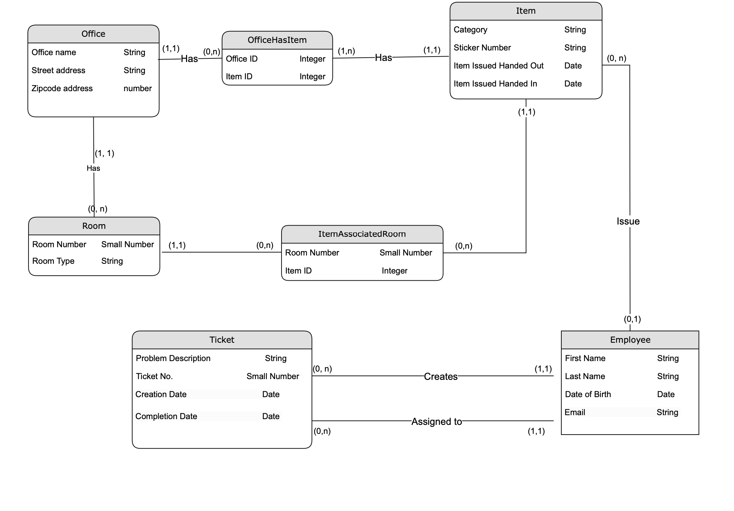
Office
Attribute | Type | Null/Not_Null | Default | Key (Constraint)
ID | Serial | Not_Null | - | PK
Office Name | varchar(50) | Not_Null | -
Street Address | varchar(100) | Not_Null | -
Zipcode Address | varchar(10) | Not_Null | -

Room
Attribute | Type | Null/Not_Null | Default | Key (Constraint)
Room Num | varchar(10) | Not_Null | - | PK
Room Type | varchar(10) | Not_Null | -
Office ID | Integer | Not_Null | - | FK

OfficeHasItems
Attribute | Type | Null/Not_Null | Default | Key (Constraint)
ID | Serial | Not_Null | - | PK
Office ID | Integer | Not_Null | - | FK
Item ID | Integer | Not_Null | - | FK

ItemAssociatedRoom
Attribute | Type | Null/Not_Null | Default | Key (Constraint)
ID | Serial | Not_Null | - | PK
Room ID | varchar(10) | Not_Null | - | FK
Item ID | Integer | Not_Null | - | FK

Item
Attribute | Type | Null/Not_Null | Default | Key (Constraint)
ID | Serial | Not_Null | - | PK
Category | varchar(50) | Not_Null | -
Sticker Number | varchar(10) | Not_Null | -
Item Issued Handed Out | Date | Not_Null | -
Item Issued Handed In | Date | Not_Null | -
Employee ID | Integer | Not_Null | - | FK

Employee
Attribute | Type | Null/Not_Null | Default | Key (Constraint)
ID | Serial | Not_Null | - | PK
First Name | varchar(50) | Not_Null | -
Last Name | varchar(50) | Not_Null | -
Date of Birth | Date | Not_Null | -
Email | varchar(50) | Not_Null | -

Ticket
Attribute | Type | Null/Not_Null | Default | Key (Constraint)
ID | Serial | Not_Null | - | PK
Problem Description | varchar(150) | Not_Null | -
Ticket Num | Integer | Not_Null | -
Creation Date | Date | Not_Null | Current Date
Completion Date | Date | Null | -
Employee ID Created | Integer | Not_Null | - | FK
Employee ID Assigned | Integer | Not_Null | - | FK

